Sheet1
Problem:Three vacations

 | I'm Susan. Would you help me pick one of these three vacations? My husband
 | and I like all three vacation ideas. but we want to spend as little as possible. We
 | will fly, stay five nights and four days. Tell me which of these will cost the least?

 | Caribbean Cruise | Orlando Theme Parks

 | $555 per person | Theme Park Tickets:

 | The small print | Disneyland $99 Universal Studios $95 Sea World $85 Busch Gardens $85

 | All inclusive meals and entertainment. Leaves from Miami. Air fare not included. | The small print

 |  | No car rental. Hotel $105/night. Food esti mate $50 per person per day.

Susan | Chicago Museum | Orlando Theme Parl | Miami Cruise
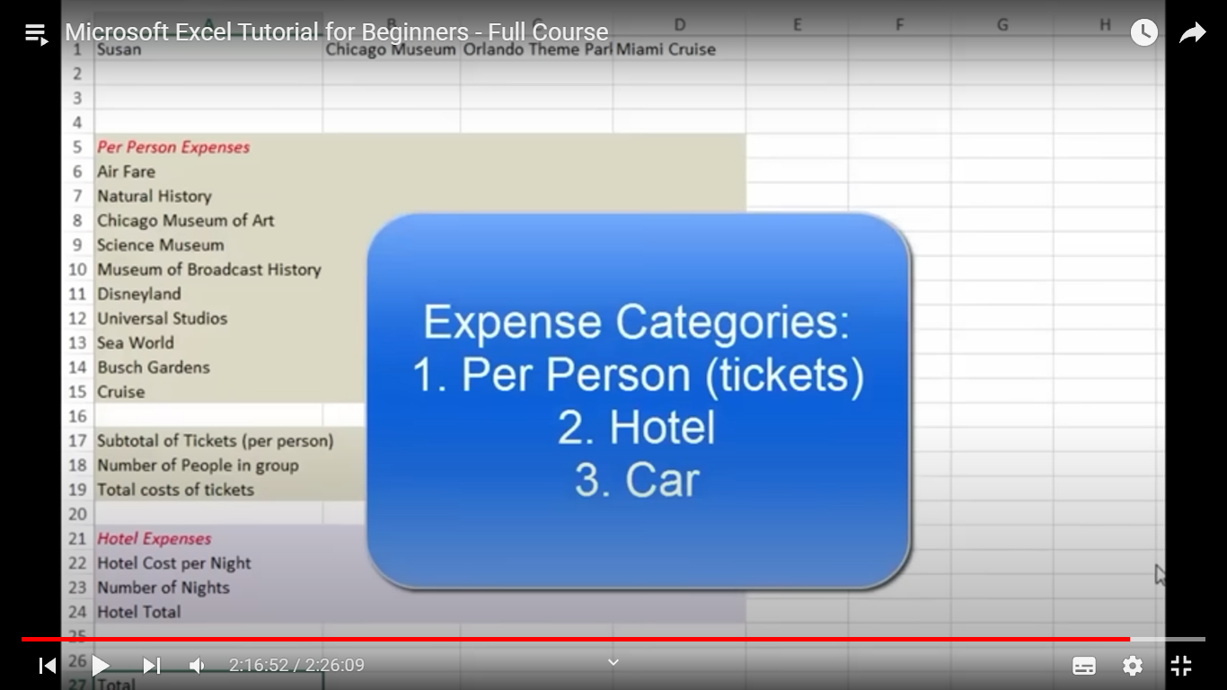


Per Person Expenses
Air Fare
Natural History
Chicago Museum Of Art
Science Museum
Museum of Broadcast History
Disneyland
Universal Studies
Sea World
Busch Gardens
Cruise

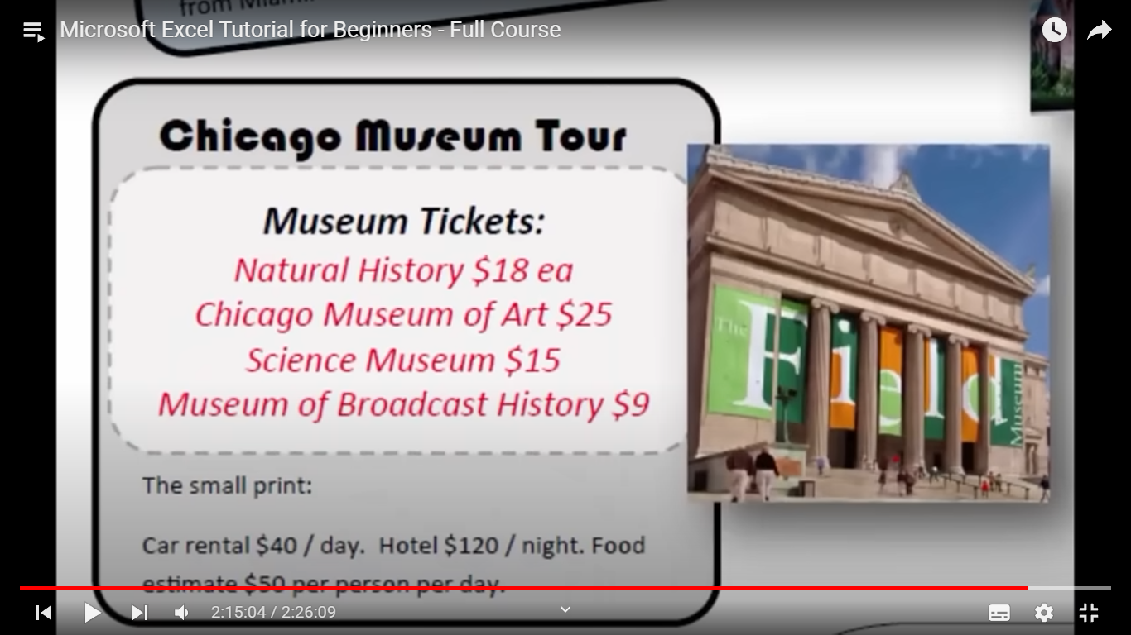

Subtotal of tickets (per person)
Number of people in group
Total costs of tickets

Hotel Expenses
Hotel Cost per Night
Number of nights
Hotel Total

Total

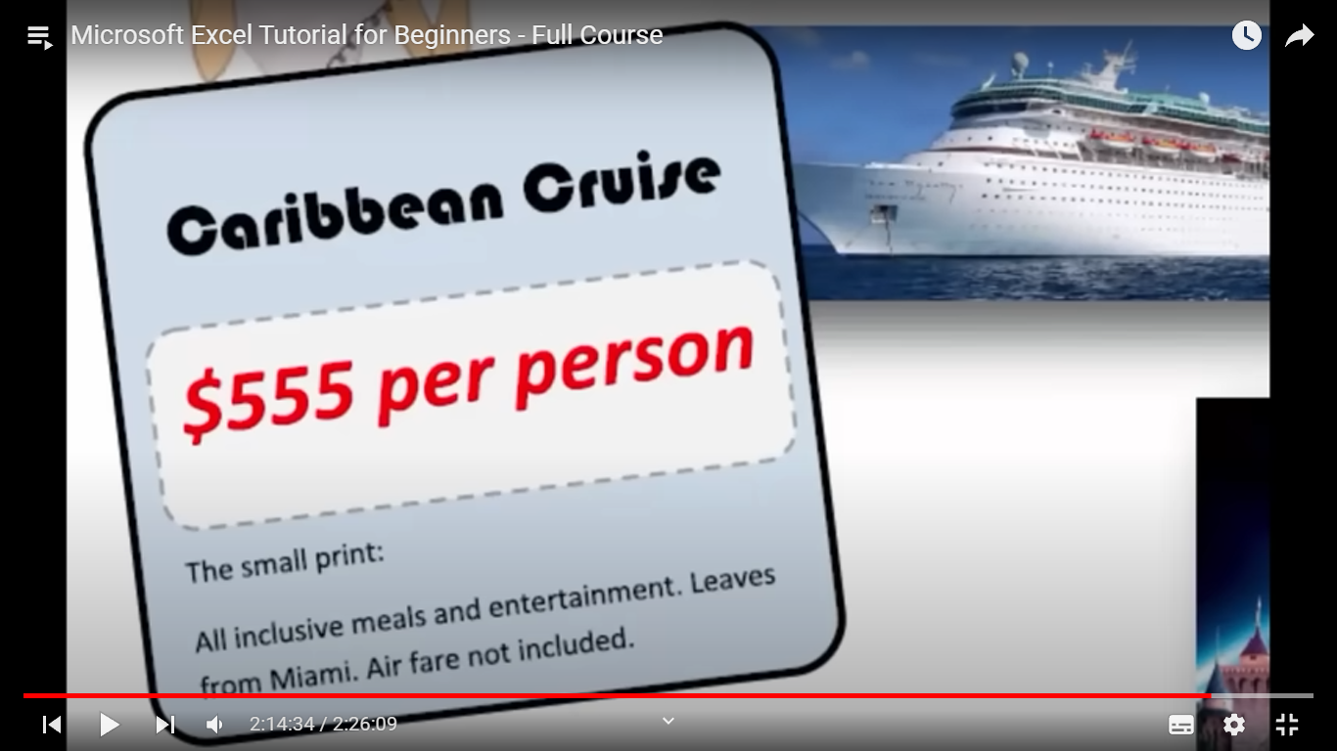
 |  |  | Sussan
 |  |  | Expense
 |  |  | Car | Hotel | Per person ticket

 |  |  |  |  | Susan | Caribbean Cruise | Orlando Theme Parks | Chicaco Meseum

 |  |  |  |  | Air fare price | 350 | 100
 |  |  |  |  | Disneyland | 555
 |  |  |  |  | Universal Studios
 |  |  |  |  | Sea World
 |  |  |  |  | Busch Gardens

 |  |  |  |  | Natural History
 |  |  |  |  | Chicago Meuseum
 |  |  |  |  | Science Museum
 |  |  |  |  | Museum of Broadcast

 |  |  |  |  | Car rental
 |  |  |  |  | Day Hotel rent
 |  |  |  |  | Night Hotel rent
 |  |  |  |  | Total Day Hotel rent
 |  |  |  |  | total Night Hotel rent

